Location Plan & Summary
Intelligent Data Collection Limited

Client: | Bristol City Council |  |  | Date of Survey: |  | 09.07.2015
Project Number: | ID02343 |  |  | Site Name: |  | Vicarage Road
Site Number: | ANPR Site 6 |  |  | Survey Type: |  | Two-way Link Count

X Coordinate |  | Y Coordinate |  |  | Google Maps Link
51.462152 |  | -2.56023 |  |  | Click Here
AM Peak Conditions |  | Inter-Peak Conditions |  |  | PM Peak Conditions
Clear and Sunny |  | Clear and Sunny |  |  | Clear and Sunny
Junction Layout

N

 |  |  |  |  |  | Arm B - Vicarage Road (N)

 |  |  | Arm A - Vicarage Road (S)

Aerial Mapping and On-site Camera View
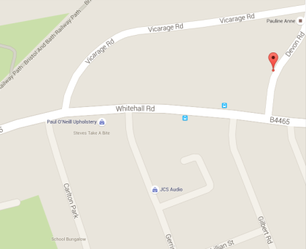

Arm A - Vicarage Road (S)

Arm B - Vicarage Road (N)

Junction Flow Profile
Arm Approach Flows (All Vehicles)
 | A to B (Northbound) | B to A (Southbound) | Two-way Total
7:00:00 | 1 | 1 | 2
7:15:00 | 1 | 3 | 4
7:30:00 | 2 | 4 | 6
7:45:00 | 1 | 3 | 4
8:00:00 | 1 | 6 | 7
8:15:00 | 3 | 5 | 8
8:30:00 | 3 | 12 | 15
8:45:00 | 3 | 9 | 12
9:00:00 | 3 | 3 | 6
9:15:00 | 3 | 5 | 8
9:30:00 | 1 | 3 | 4
9:45:00 | 3 | 2 | 5
10:00:00 | 0 | 1 | 1
10:15:00 | 3 | 5 | 8
10:30:00 | 2 | 2 | 4
10:45:00 | 2 | 0 | 2
11:00:00 | 1 | 2 | 3
11:15:00 | 1 | 0 | 1
11:30:00 | 1 | 4 | 5
11:45:00 | 0 | 2 | 2
12:00:00 | 1 | 1 | 2
12:15:00 | 2 | 2 | 4
12:30:00 | 1 | 2 | 3
12:45:00 | 0 | 2 | 2
13:00:00 | 1 | 4 | 5
13:15:00 | 3 | 3 | 6
13:30:00 | 1 | 1 | 2
13:45:00 | 4 | 2 | 6
14:00:00 | 0 | 0 | 0
14:15:00 | 2 | 0 | 2
14:30:00 | 1 | 2 | 3
14:45:00 | 1 | 2 | 3
15:00:00 | 2 | 2 | 4
15:15:00 | 2 | 1 | 3
15:30:00 | 14 | 7 | 21
15:45:00 | 1 | 2 | 3
16:00:00 | 0 | 2 | 2
16:15:00 | 2 | 2 | 4
16:30:00 | 1 | 4 | 5
16:45:00 | 2 | 5 | 7
17:00:00 | 5 | 4 | 9
17:15:00 | 2 | 1 | 3
17:30:00 | 5 | 4 | 9
17:45:00 | 6 | 1 | 7
18:00:00 | 1 | 1 | 2
18:15:00 | 4 | 4 | 8
18:30:00 | 0 | 2 | 2
18:45:00 | 2 | 2 | 4

Additional Notes (Factors which may impact on survey results such as accidents, roadworks, special events):

